ls command
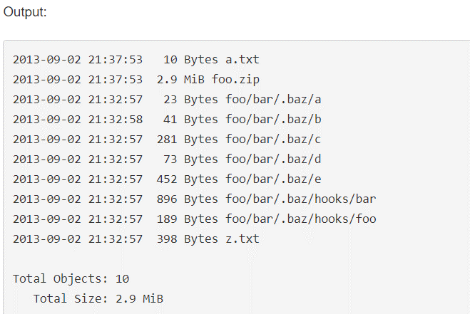
Description : List S3 objects and common prefixes under a prefix or all S3 buckets. Note that the --output and --no-paginate arguments are ignored for this command.

The following ls command lists all of the bucket owned by the user. In this example, the user owns the buckets mybucket and mybucket2.

aws s3 ls

Output: | 2013-07-11 17:08:50 mybucket
Output: | 2013-07-24 14:55:44 mybucket2

The following ls command lists objects and common prefixes under a specified bucket and prefix. In this example, the user owns the bucket mybucket with the objects test.txt and somePrefix/test.txt.

aws s3 ls s3://mybucket

Output |  | PRE somePrefix/
 | 7/25/13 | 88 test.txt

Listing from an S3 access point
The following ls command list objects from access point (myaccesspoint):

aws s3 ls s3://arn:aws:s3:us-west-2:123456789012:accesspoint/myaccesspoint/

Output |  | PRE somePrefix/
 | 7/25/13 | 88 test.txt

This command recursively list all objects of bucket in human readable form

aws s3 ls s3://mybucket --recursive --human-readable --summarize

rb command
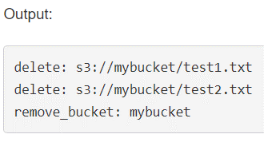
Description : Deletes an empty S3 bucket. A bucket must be completely empty of objects and versioned objects before it can be deleted. However,
 | the --force parameter can be used to delete the non-versioned objects in the bucket before the bucket is deleted.

The following rb command removes a bucket. In this example, the user's bucket is mybucket. Note that the bucket must be empty in order to remove:

aws s3 rb s3://mybucket

Output | remove_bucket: mybucket

The following rb command uses the --force parameter to first remove all of the objects in the bucket and then remove the bucket itself. In this example, the user's bucket is mybucket and the objects in mybucket are test1.txt and test2.txt:

aws s3 rb s3://mybucket --force

sync command
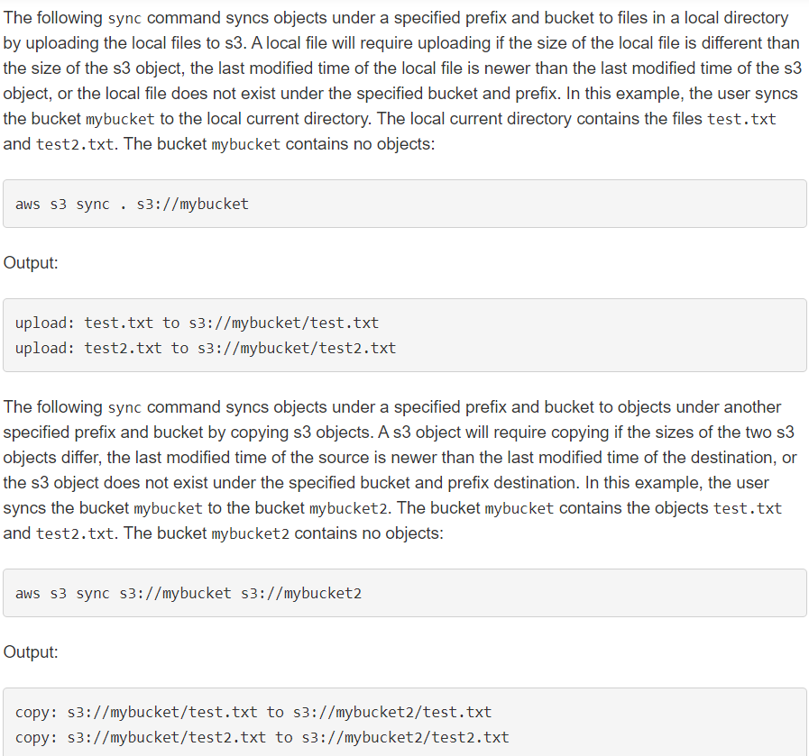
Description : Syncs directories and S3 prefixes. Recursively copies new and updated files from the source directory to the destination. Only creates folders in the destination if they contain one or more files.

